Лист1
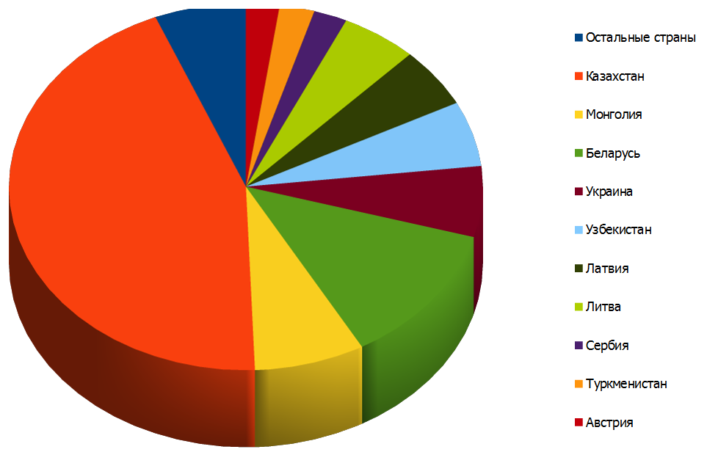
Promotion information |  |  |  | General product information
Name of the promotion | Product sales before the promotion is applied | Product sales after applying the promotion | Resulting benefits | Product name | Description: type, design, model, etc. | Output volume | Sold quantity | Remaining in stock | Profit

Sales of a specific product by country, shown as a chart

